Sheet1
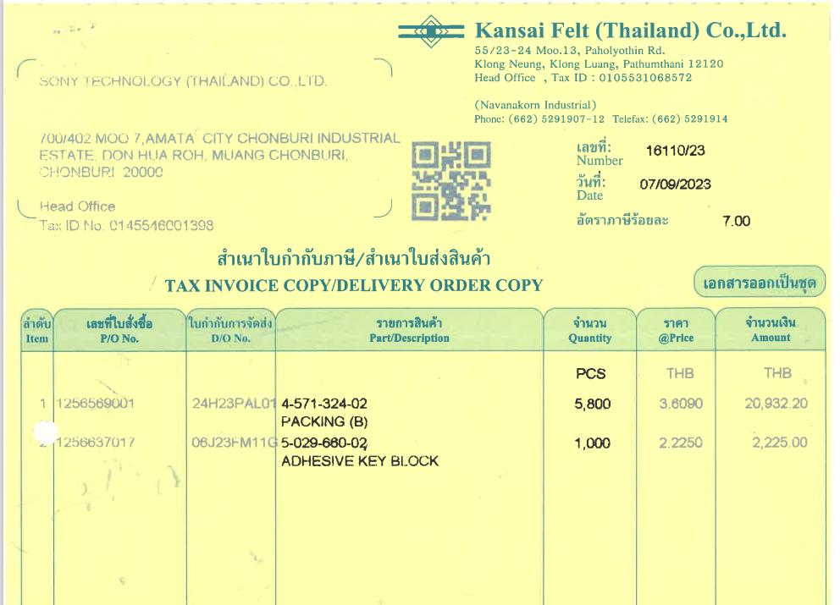

INVOICE_NO

UNIT_PRICE
PO_NO
ITEM_NO
AMOUNT

QTY

